Notes
 | ROBOT DESIGN SHEET
Ramona Part Nubmering Guide | Please use the "File" menu to make a copy of this sheet in your google drive or download a copy of this sheet to your computer.

 | Link to old 2018 version of Spectrum design sheet
Inspiration for This Sheet and other designs sheets
2232 Master Reference Sheet (Basis for this sheet)
JVN Design Calculator
FRC Mechanical Design Calculator (By Dillon Carey and Aren Hill) | FAQ
AMB Design Spreadsheet (pneumatics, Chain, mechanisms) | The Ramona Robot Design Sheet is designed to be a centralized resource to use while designing FRC robots. Each page includes part specifications and calculations that you can use to help in the design process. Many of the COTS parts common to FRC robots have their size and other design parameters included here so you don't have to open up the part in CAD to measure or find and download the drawings every time you need to quickly add something to a sketch or prototype. We keep a copy of this sheet for each robot that we build and then add new pages for each module/subsystem on our robot. That way we can keep track of our decsign decisions, variables, part numbers, etc in one centralized place. You can add new pages for part references or inventory for your team. Timelines or simple gantt charts could be made to help keep everyone on schedule. If you make a cool page and want to suggest we add it to our public template just send us an email team@Ramona3847.org and we'll look at it.
ILITE Drivetrain Simulator by Jesse Knight

Recommend Reading
Spectrum Protopipe
Spectrum Mechanical Design
Fundamental Principles of Mechanical Design by K. Craig
FUNdaMental Principles
610 Design Tutorials
1241 Playbook
How to Build your "Everything" Really Really Fast
WCProducts.net How To's and Videos
FRC Electrical Bible by Mililanirobotics
FRC Survial Guide
FRC 1923 MidKnight U
Ed's Machining Notebook
SDP-SI Timing Belt Handbook
Spectrum FRC Mechanism Gallery
Killer Bees 90deg drive adapter
Killer Bees Motor Tester from old Drill
Simbots CAD Tutorials
Greybots RAMP CAD Tutorials

Driver Controls
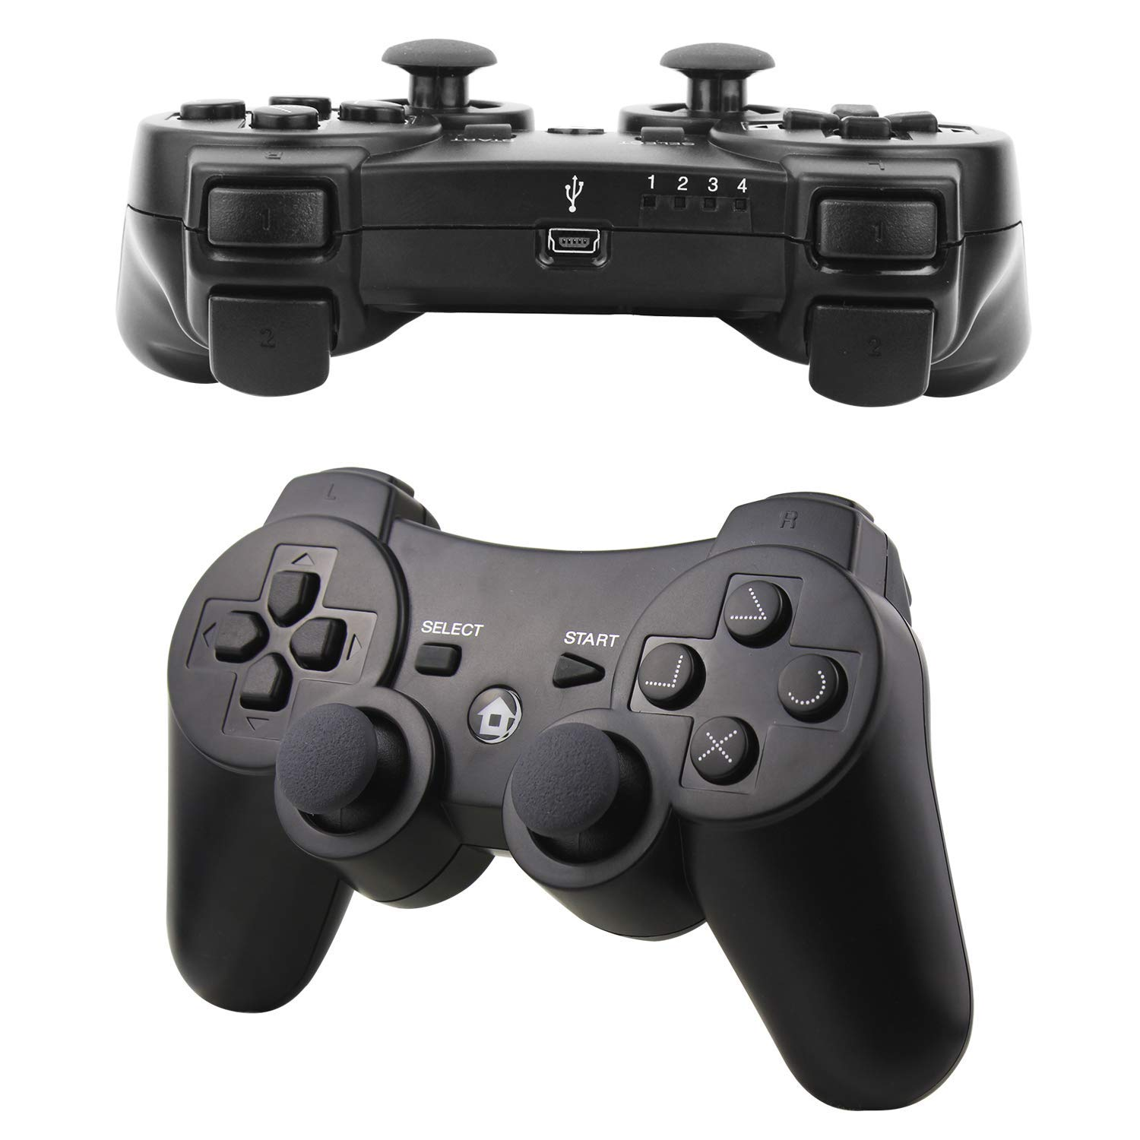
Driver Controller | Operator Controller
Left Y | Left Y
Left X | Left X
Button 4
Button 5
Right Y | Right Y
Right X | Right X

Button 6
Button 7
Left Bumper | Left Bumper
Left Trigger | Left Trigger
Right Bumper | Right Bumper
Right Trigger | Right Trigger

Button 0
A | A
B | B
Y | Y
X | X

Button 1
Start | Start
Back | Back

Button 3
Left Stick Click | Left Stick Click
Right Stick Click | Right Stick Click
Left Joystick 0
Right Joystick 2
Button 2
Dpad Up | Dpad Up
Dpad Down | Dpad Down
Dpad Left | Dpad Left
Dpad Right | Dpad Right

Left Joystick 1
Right Joystick 4

Operator Controls
Driver Controller | Operator Controller
Left Y | Left Y
Left X | Left X
Button 4
Button 5
Right Y | Right Y
Right X | Right X

Button 6
Button 7
Left Bumper | Left Bumper
Left Trigger | Left Trigger
Right Bumper | Right Bumper
Right Trigger | Right Trigger

Button 0
A | A
B | B
Y | Y
X | X

Button 1
Start | Start
Back | Back

Button 3
Left Stick Click | Left Stick Click
Right Stick Click | Right Stick Click
Left Joystick 0
Right Joystick 2
Button 2
Dpad Up | Dpad Up
Dpad Down | Dpad Down
Dpad Left | Dpad Left
Dpad Right | Dpad Right

Left Joystick 1
Right Joystick 4

Joystick Template
Driver Controller | Operator Controller
Left Y | Left Y
Left X | Left X
Button 4
Button 5
Right Y | Right Y
Right X | Right X

Button 6
Button 7
Left Bumper | Left Bumper
Left Trigger | Left Trigger
Right Bumper | Right Bumper
Right Trigger | Right Trigger

Button 0
A | A
B | B
Y | Y
X | X

Button 1
Start | Start
Back | Back

Button 3
Left Stick Click | Left Stick Click
Right Stick Click | Right Stick Click
Left Joystick 0
Right Joystick 2
Button 2
Dpad Up | Dpad Up
Dpad Down | Dpad Down
Dpad Left | Dpad Left
Dpad Right | Dpad Right

Left Joystick 1
Right Joystick 4

Status Lights
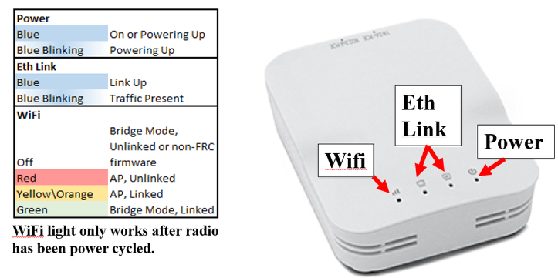
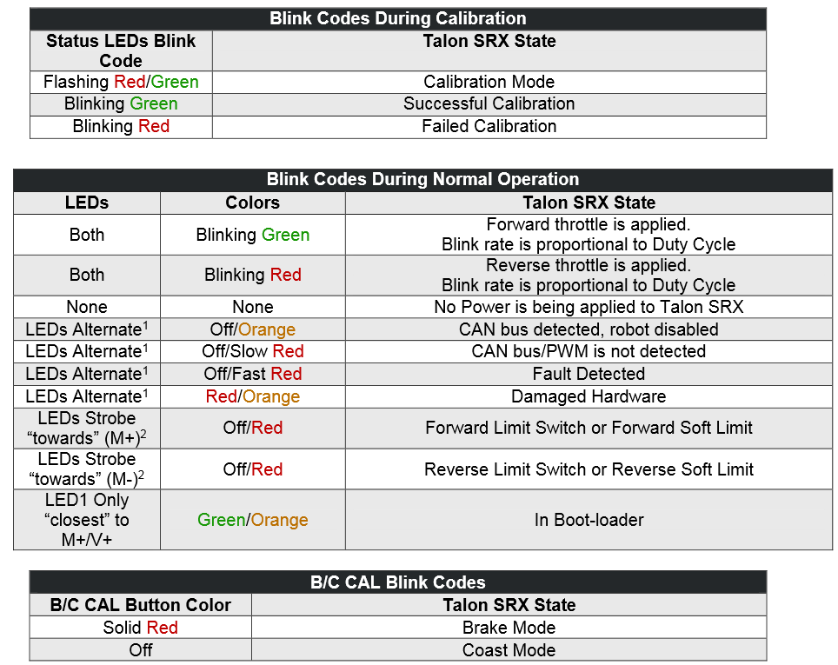
RoboRIO
Power Green | Power Good
Power Amber | Brownout protection
Power Red | Power Fault
Status On - Booting | Normal
Status Off | Normal
Status 2 Blinks | Software Error, Reimage
Status 3 Blinks | Safe Mode, Retart
Status 4 Blinks | Software crashed twice, reboot
Status Flash or Solid On | Unrecoverable Error
Comm - Off | No Communication
Comm - Red Solid | Comm with DS, No user code
Comm Red Blinking | E-Stop
Comm Green Solid | Good Comm with DS
Mode - Off | Outputs Disabled
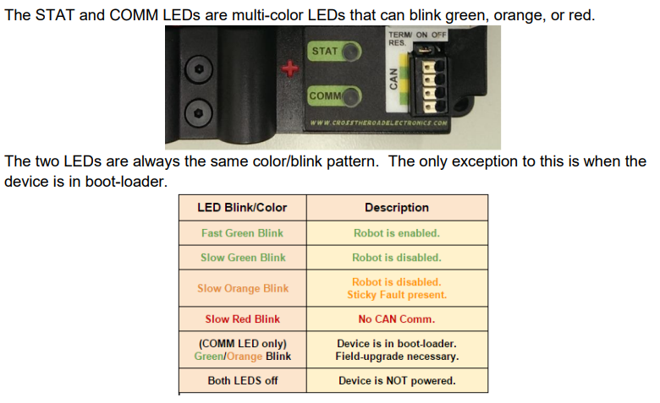
Mode - Amber/organe | Auton Enabled
Mode - Green | Telop Enabled
Mode - Red | Test Enabled
RSL | Same as RSL Light Above
NI FRC Support Phone# | 866-511-6285

PDP
Fast Green | Robot Encabled
Slow Green | Robot Disabled
Slow Orange | Robot Disabled+Sticky Fault
Slow Red | No CAN
Green/Orange | Firmware Needed
Off | No Power

VRM
Green | Good
Either off or dim | Short or current overload

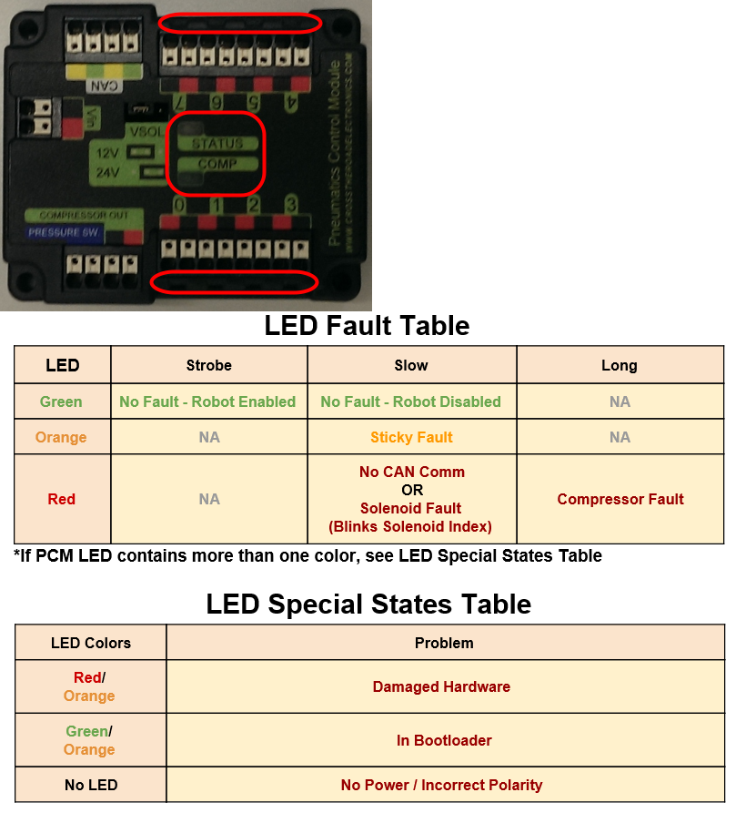
PCM
Status Green Strobe | Robot Enabled
Status Green Slow | Robot Disabled
Satus Orange Slow | Sticky Fault
Satus Red | Active Fault, Comp Fault, no CAN
Satus Red Blinking | Solenoid Fault (Blinks the #)
Status Red/Orange | Damaged Hardward
Status Green/Oragne | Bootloader, reimage
Compressor Green | Compressor Output On
Compressor Off | Comprossor Output Off

Talon SRX
Both Blinking Green | Forward Throttle
Both Blinking Red | Reverse Throttle
Solid Orange | Neutral Throttle
Off | No Power
Blinking Off/Orange | CAN but Good Robot Disabled
Blinking Off/Red | CAN bus not detected
Red/Orange Blinking | Damaged Hardward
Off/Red Strobe | Limit Switch Detected
Gree/Orange | Bootloader / Update Firmware

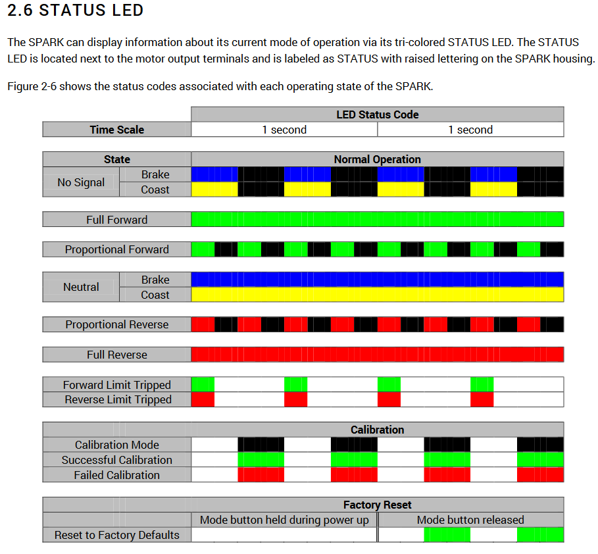
Spark Max |  |  |  | Spark (regular)
Operating Mode | Idle Mode | State | Color/Pattern
Brushed | Brake | No Signal | Blue Blink
 |  | Valid Signal | Blue Solid

 | Coast | No Signal | Yellow Blink
 |  | Valid Signal | Yellow Solid
Brushless | Brake | No Signal | Cyan Blink
 |  | Valid Signal | Cyan Solid

 | Coast | No Signal | Magenta Blink
 |  | Valid Signal | Magenta Solid

Partial Forward | - | - | Green Blink
Full Forward | - | - | Green Solid
Partial Reverse | - | - | Red Blink
Full Reverse | - | - | Red Solid
Forward Limit | - | - | Green/White Blink
Reverse Limit | - | - | Red/White Blink
Firmware Update Mode | - | - | Dark (LED off)
Fault Conditions
12V Missing | - | - | Orange/Blue Slow Blink
Brushless Encoder Error | - | - | Orange/Magenta Slow Blink
Gate Driver Fault | - | - | Orange/Cyan Slow Blink
CAN Fault | - | - | Orange/Yellow Slow Blink

Bolt Size Chart
Bolt | https://content.vexrobotics.com/vexpro/pdf/217-2873-Drill-Chart-20150210.pdf |  |  |  |  |  |  |  |  | Screw | O.D. | Tap |  | Close Fit |  | Free Fit
Type | Diameter | Close | Drill | Fractional | Free | Drill | Tap | Drill | Fractional | Size/Thread | Decimal | Size * | Decimal | Size | Decimal | Size | Decimal
6-32 | 0.138 | 0.144 | 27 | 5/32 | 0.1495 | 25 | 0.1065 | 36 | 7/64 | 000-120 | 0.0340" | 71 | 0.0260" | 65 | 0.0350" | 62 | 0.0380"
8-32 | 0.164 | 0.1695 | 18 | 11/64 | 0.177 | 16 | 0.136 | 29 | 9/64 | 00-90 | 0.044 | 65 | 0.035 | 3/64" | 0.0469 | 55 | 0.052
2017-10-24 | 0.19 | 0.196 | 9 | 2017-03-16 | 0.201 | 7 | 0.15 | 25 | 5/32 | 0-80 | 0.06 | 3/64" (56) | 0.0469 | 52 | 0.0635 | 50 | 0.07
1/4-20 | 0.25 | 0.257 | F | 2017-01-04 | 0.266 | H | 0.201 | 7 | 13/64 | 1-72 | 0.073 | 53 | 0.0595 | 48 | 0.076 | 46 | 0.081
 |  |  |  |  |  |  |  |  |  | 2-56 | 0.086 | 50 | 0.07 | 43 | 0.089 | 41 | 0.096
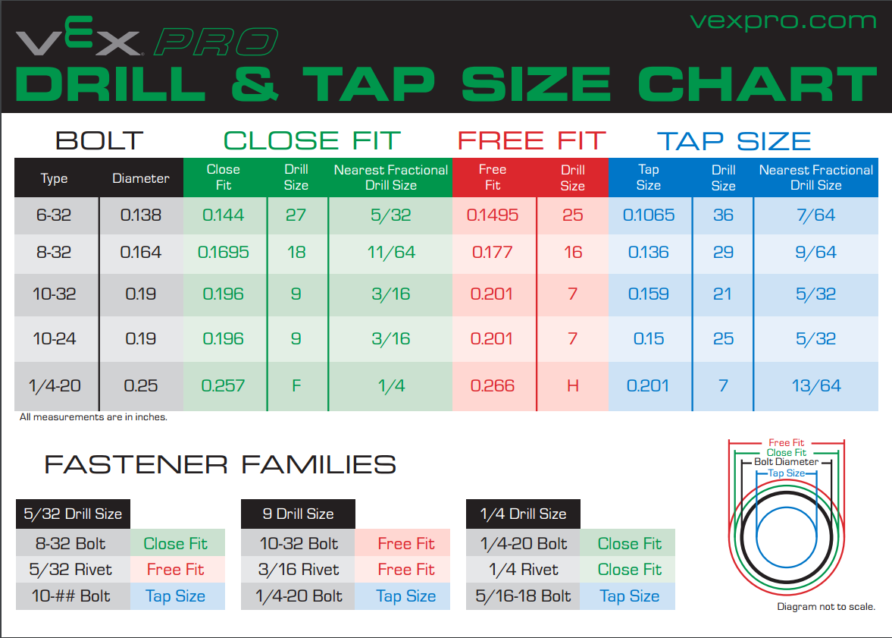
 |  |  |  |  |  |  |  |  |  | 3-48 | 0.099 | 47 | 0.079 | 37 | 0.104 | 36 | 0.1065
 |  |  |  |  |  |  |  |  |  | 4-40 | 0.112 | 43 | 0.089 | 32 | 0.116 | 30 | 0.1285
 |  |  |  |  |  |  |  |  |  | 5-40 | 0.125 | 38 | 0.102 | 29 | 0.136 | 28 (9/64) | 0.1405
 |  |  |  |  |  |  |  |  |  | 6-32 | 0.138 | 36 | 0.1065 | 27 | 0.144 | 25 | 0.1495
 |  |  |  |  |  |  |  |  |  | 8-32 | 0.164 | 29 | 0.136 | 18 (11/64) | 0.1695 | 16 | 0.177
 |  |  |  |  |  |  |  |  |  | 2017-10-24 | 0.19 | 25 | 0.15 | 9 | 0.196 | 7 (13/64) | 0.201
 |  |  |  |  |  |  |  |  |  | 10-32 | 0.19 | 21 | 0.159 | 9 | 0.196 | 7 (13/64) | 0.201
 |  |  |  |  |  |  |  |  |  | 1/4-20 | 0.25 | 7 | 0.201 | F | 0.257 | H (17/64) | 0.266
 |  |  |  |  |  |  |  |  |  | 1/4-28 | 0.25 | 3 | 0.213 | F | 0.257 | H (17/64) | 0.266
 |  |  |  |  |  |  |  |  |  | 5/16-18 | 0.3125 | F | 0.257 | P | 0.323 | Q | 0.332
 |  |  |  |  |  |  |  |  |  | 3/8-16 | 0.375 | 5/16" | 0.3125 | W | 0.386 | X | 0.397
 |  |  |  |  |  |  |  |  |  | 1/2-13 | 0.5 | 27/64" | 0.4219 | 33/64" | 0.5156 | 17/32" | 0.5312

Motors
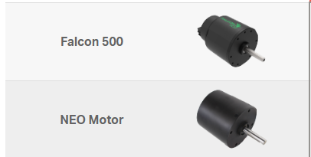
Theoretical Value
 | Free Speed (RPM) | Free Current (A) | Maximum Power (W) | Stall Torque (N · m) | Stall Current (A)
NEO 550 | 11000 | 1.4 | 279 | 0.97 | 100
NEO | 5880 | 1.3 | 516 | 3.36 | 166
Falcon 500 | 6380 | 1.5 | 783 | 4.69 | 257
CIM Motor | 5330 | 2.7 | 337 | 2.41 | 131
Mini CIM Motor | 5840 | 3 | 215 | 1.41 | 89
BAG Motor | 13180 | 1.8 | 149 | 0.43 | 53
775pro | 18730 | 0.7 | 347 | 0.71 | 134
AndyMark RS775-125 | 5800 | 1.6 | 43 | 0.28 | 18
BaneBots RS-775 18V | 13050 | 2.7 | 246 | 0.72 | 97
AndyMark 9015 | 14270 | 3.7 | 134 | 0.36 | 71
BaneBots RS-550 | 19000 | 0.4 | 190 | 0.38 | 84
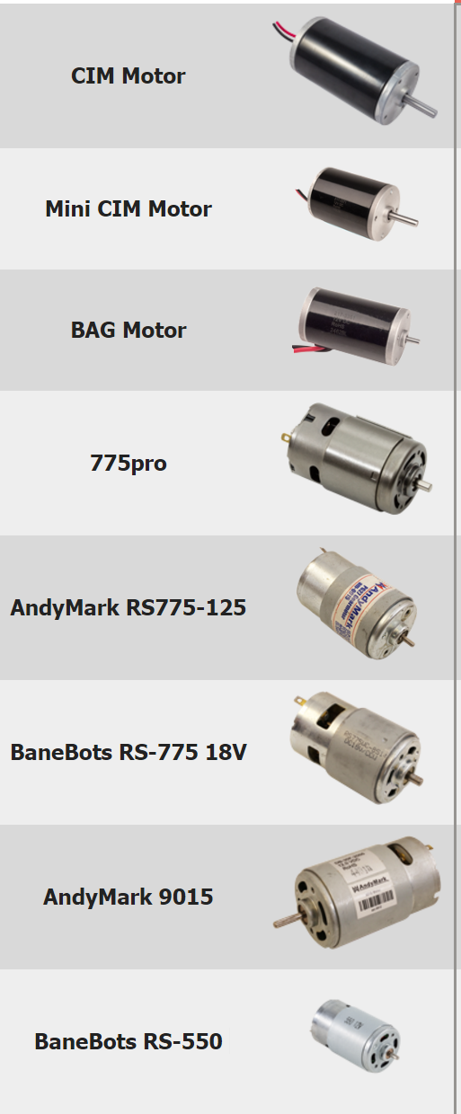

 |  |  | NEO 550

